Ark1
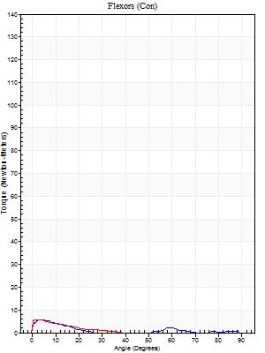
Use File, Preference to set Report Heading
Short Form Torque vs. Position Report - Knee Extension/Flexion
Name: | Deltager_10, | ID: | Deltager | Right/Left: | 16.09.2025 16.09.2025
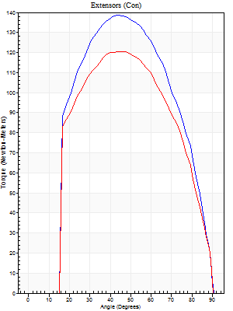
Birth date: | 2001-09-23 | Involved Side: |  | Group 1:
Height: | 166 Centimeters | Preferred Side: | Left | Group 2:
Weight: | 64 Kilograms | Doctor:
Gender: | Male | Tester:
Diagnosis:
Surgery:

Right Side Curves Left Side Curves Set: 1
Isokinetic Con/Con | Extensors (Con) |  | Flexors (Con)
Speed 180/180 d/s 5 Reps | Value | Cof Var | %BW | Value | Cof Var | %BW | Ratio

Peak Torque (Newton-Meters - Best Repetition)
Right | 138 | 0.04 | 215 | 5 | 0.21 | 9 | 4
Left | 121 | 0.03 | 188 | 5 | 0.16 | 9 | 4
Deficit | 13 |  |  | 0
Work per Repetition (Newton-Meters - Best Repetition)
Right | 142 | 0.02 | 221 | 1 | 0.12 | 3 | 1
Left | 126 | 0.03 | 197 | 1 | 0.12 | 3 | 1
Deficit | 11 |  |  | 0
Range of Motion (Degrees)
Right | 0 | -0.72 |  | 90 | 0
Left | 0 | -0.18 |  | 90 | 0
Isokinetic Con/Con | Extensors (Con) |  | Flexors (Con)
Speed 60/60 d/s 5 Reps | Value | Cof Var | %BW | Value | Cof Var | %BW | Ratio

Peak Torque (Newton-Meters - Best Repetition)
Right | 0 | 0 | 0 | 0 | 0 | 0 | 0
Left | 0 | 0 | 0 | 0 | 0 | 0 | 0
Deficit | 0 |  |  | 0
Work per Repetition (Newton-Meters - Best Repetition)
Right | 0 | 0 | 0 | 0 | 0 | 0 | 0
Left | 0 | 0 | 0 | 0 | 0 | 0 | 0
Deficit | 0 |  |  | 0
Range of Motion (Degrees)
Right | 0 | 0 |  | 0 | 0
Left | 0 | 0 |  | 0 | 0
HUMAC2015® Version: 15.000.0074 © Computer Sports Medicine, Inc. www.csmisolutions.com

